Map
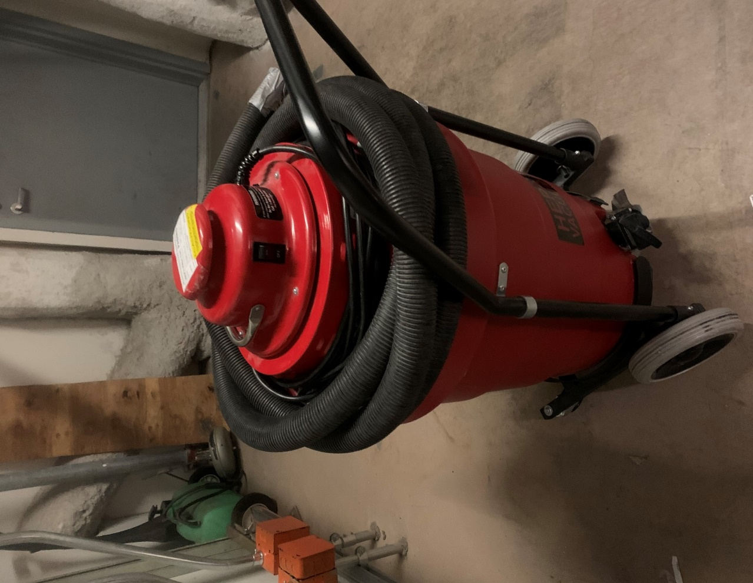

Survey No | INIS-010620-910
Date | 2020-01-06
Survey Tech | D. Dodge
Count Room Tech | S. Baine
Date Counted | 2020-01-06
Survey Type | Characterization
Level of Posting | RCA
Comments

